Q
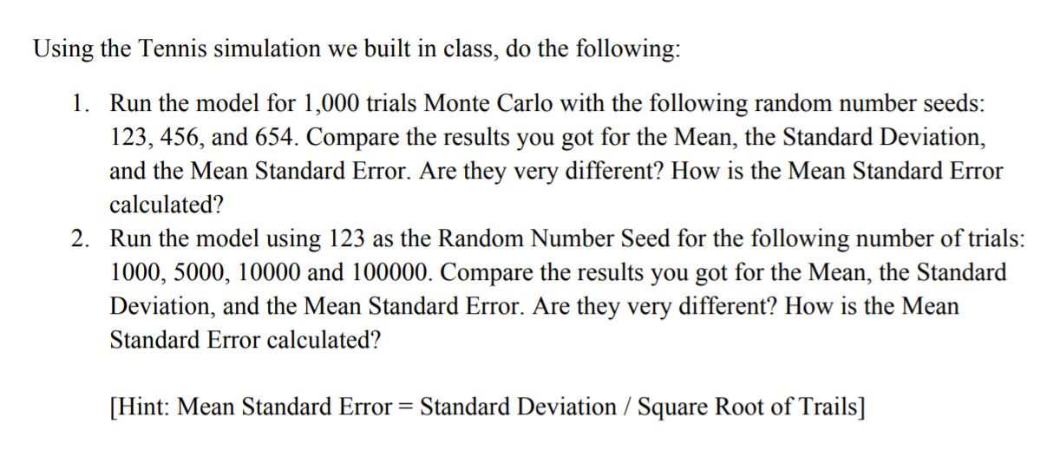
Q

1
Tennis Simulation

 | prob | 0.6

Mean and Std in two seeds output are different. But Mean std. Error are same.
 |  | sets
 | 1 | 2 | 3
Rand No. | 0.7078919835 | 0.46462708098 | 0.37096345009
Outcome | Lost | Won | Won
Result | 0 | 1 | 1

Match
Sets Won | 2 | 2
Outcome | Won
Result | 1 | 1

2
All different
Mean Standard Error = Standard Deviation / Square Root of Trails

